Keg types
20
Keg Coupler Quick Reference Chart |  | Select coupler type:
Beer Brand | Coupler Type | KeyKeg | 20
Abbot Ale | G | Amager Bryghus
Abby White | U | Beavertown
Abita Amber | D | Brasserie de La Senne
Abita Golden | D | BrewDog
Abita Light | D | Brouwerij De Molen
Abita Purple Haze | D | Cantillon
Abita Turbodog | D | Cloudwater Brew Co
ACME Brown Ale | D | Herslev Bryghus
ACME IPA | D | Lervig Aktiebruggeri
ACME Pale Ale | D | Magic Rock Brewing
Alaskan Amber | D | Mikkeller
Alaskan ESB | D | Naparbier
Alaskan Pale Ale | D | Nørrebro Bryghus
Alaskan Smoked Porter | D | Omnipollo
Alaskan Stout | D | Rocket Brewing Company
Alaskan Winter Ale | D | Stone Brewing Berlin
Alexander Keith | D | Tiny Rebel
Allagash Curieux | D | To Øl
Allagash Dubbel | D | Warpigs
Allagash Four | D | Wil Beer Co
Allagash Grand Cru | D
Allagash Musette | D
Allagash Tripel | D
Allagash Victoria Ale | D
Allagash White | D
Amager Bryghus | KeyKeg
Amstel | S
Amstel Light | S
Anchor Liberty Ale | G
Anchor Porter | G
Anchor Steam | G
Anderson Valley Belks Bitter | D
Anderson Valley Boont Amber | D
Anderson Valley Hop Ottin IPA | D
Anderson Valley Poleeko Gold | D
Asahi | S
Aventinus Eisbock | M
Avery Hog Heaven | D
Avery IPA | D
Avery IPA Cask | D
Avery Karma Ale | D
Avery Maharaja | D
Avery Old Jubilation | D
Avery Reverend | D
Ayinger Altbairisch Dunkel | A
Ayinger Bräu-Hell | A
Ayinger Bräu-Weisse | A
Ayinger Celebrator | A
Ayinger Frühlingsbier (Springtime Beer) | A
Ayinger Jahrhundert-Bier | A
Ayinger Kirta-Halbe (Pint of Country Fair) | A
Ayinger Liebhard’s Kellerbier | A
Ayinger Premium-Pils | A
Ayinger Ur-Weisse (Traditional Wheat) | A
Ayinger Winter-Bock (Winter “Buck”Beer) | A
Bad Frog – BAD Light | D
Bad Frog Golden- Amber Lager | D
Bad Frog Micro-Malt | D
Bass Pale Ale | D
Bavik Pilsner | A
Bay Hawk Chocolate Porter | D
BayHawk Amber Ale | D
BayHawk California Pale Ale (CPA) | D
BayHawk Hefeweizen | D
BayHawk Honey Blonde | D
BayHawk OC Lager | D
BBC Long Beach Crude | D
BBC Marathon | D
BBC Strawberry Blonde | D
BBC Top Sail | D
Beavertown | KeyKeg
Beck’s | D
Beck’s Dark | D
Beck’s Premier Light | D
Belhaven 80 Shilling | S
Belhaven Best | S
Belhaven Best Extra Cold | S
Belhaven St. Andrews Ale | S
Belle-Vue | S
Bemish | D
Binchoise Reserve | S
Bitburger Pilsner | A
Black Dog | D
Blackthorne Cider | G
Blanche de Chambly | D
Blue Moon | D
Boddingtons Pub Ale | G
Brasserie de La Senne | KeyKeg
Breckenridge | D
BrewDog | KeyKeg
Brooklyn Brown Ale | D
Brooklyn East India Pale Ale | D
Brooklyn Lager | D
Brooklyn Pennant Ale 55 | D
Brooklyn Pilsner | D
Brooklyn Post Road Pumpkin Ale | D
Brooklyn Weisse | D
Brouwerij De Molen | KeyKeg
Bruin Pale Ale | D
Bud Dry | D
Bud Ice | D
Bud Ice Light | D
Bud Light | D
Budweiser | D
Budweiser Select | D
Bull Falls | D
Busch | D
Caffrey’s | G
California Cider Ace Pear | G
Cantillon | KeyKeg
Caracole Nostradamus | D
Carlsberg | S
Carlton and United Breweries (CUB) | D
Castle Maine | D
Caybrew | D
Caylight | D
Celis | D
Chimay | A
Cider Jack | D
Clipper City Heavy Seas Below Deck | D
Clipper City Heavy Seas Loose Cannon | D
Clipper City Heavy Seas Peg Leg Stout | D
Clipper City Heavy Seas Red Sky at Night | D
Clipper City Heavy Seas Small Craft Warning | D
Clipper City Heavy Seas Winter Storm | D
Clipper City Phillip Amber Ale | D
Cloudwater Brew Co | KeyKeg
Columbia Brewing | D
Coors | D
Coors Light | D
Corona | D
Corsendonk Brown | S
Corsendonk Christmas Ale | S
Corsendonk Pale | S
Custom Brewcrafters | D
Cuvee Meilleurs Voeux | A
De Dolle | A
De Koninck Ale (Belgium) | S
Delirium Nocturnum | S
Delirium Noel | S
Delirium Tremens (Belgium) | S
Des Rocs Grand Cru | D
Deschutes Black Butte | D
Devil Mountain | D
Dogfish Head 60 Minute IPA | D
Dogfish Head 90 Minute IPA | D
Dogfish Head Indian Brown Ale | D
Dortmunder Union | S
Dos Equis Amber | D
Dos Equis Lager | D
Double Diamond | S
Dry Blackthorn | G
Duchesse de Bourgogne | D
El River Brewing | D
Einbecker | M
Ellicottville | D
Erdinger Hefetrub Weisse | S
Estrella Damm | S
Eurobrew Hobgoblin Draft | D
Eurobrew Monty Python Draft | D
Fat Tire | D
Firehouse | D
Firestone Double Barrel Ale | D
Firestone Lager | D
Firestone Pale Ale | D
Firestone Walker’s Ale | D
Fischer | A
Flying Dog | D
Foret Org Sais Ale | D
Foster’s | D
Franziskaner Hefe-Weisse | A
Full Sail Amber Ale | D
Full Sail Pale Ale | D
Fuller’s ESB | G
Fuller’s London Pride | G
Genesee | D
George Killian’s Irish Red | D
Goose Island | D
Gordon Biersch Hefeweizen | D
Gordon Biersch Marzen | D
Gouden | S
Grant’s | D
Great Divide | D
Green Line Pale Ale | D
Green Mountain Cidery | D
Grimbergen Dubbel | A
Grolsch | G
Guinness Stout | U
Hacker-Pschorr Weisse | A
Hahn | S
Hamms | D
Hard Core Cider | D
Harp | U
Harpoon | D
Heineken | S
Henry Weinhard’s | D
Herslev Bryghus | KeyKeg
High Falls | D
Highland | D
Hoegaarden White | A
Hofbrau | S
Holy Cow Red | D
Hornsby’s | D
Houblon Chouffe IPA Tripel | A
Hudson Valley | D
Humboldt Hemp Ale | D
Humboldt IPA | D
Humboldt Pale Ale | D
Humboldt Red Nectar Ale | D
Ice House | D
Innis and Gunn | G
Iron Shore Bock | D
Isenbeck | A
J.G. Ale | D
John Courage | S
JW Lee’s Chouffe | A
Kasteel Biere du Chat Brown | S
Kilkenny | U
Killarneyv | D
Killian’s Irish Red | D
Kirin Ichiban | D
Kokaneev | D
Krombacher | A
Kronenbourg 1664 | A
La Chouffe | A
La Gnomette | A
Labatt Blue | D
Lagunitas | D
Land Shark Lager | D
Lands Ends Amber (Kannah Creek Brewing Co.) | D
Leffe | S
Left Hand | D
Leinenkugel | D
Lervig Aktiebruggeri | KeyKeg
Lindeman’s Framboise | S
Lindeman’s Peche | S
Lion Nathan | S
Little Kings | D
Lost Coast Alleycat Amber | D
Lost Coast Apricot Wheat | D
Lost Coast Downtown Brown | D
Lost Coast Great White | D
Lost Coast Raspberry Brown | D
Löwenbräu Original Lager | A
Mad River Jamalca Red Ale | D
Mad River Steelhead Pale | D
Magic Rock Brewing | KeyKeg
Magners | U
Maredsous Abbey Ale (Belgium) | S
Marston’s Pedigree | S
Maudite | D
McChouffe | A
McEwan’s | S
Miami Trail Brewing | D
Michael Shea’s | D
Michelob | D
Michelob Amber Bock | D
Michelob Light | D
Michelob Speciality | D
Michelob Ultra | D
Mickey’s | D
Middle Ages | D
Mikkeller | KeyKeg
Miller | D
Miller Genuine Draft | D
Miller Lite | D
Milwaukee’s Best | D
Modelo | D
Molson Canadian | D
Monk’s Sour Ale | S
Moosehead | D
Moretti Italian Pilsner | S
Murphy’s Irish Red | S
Murphy’s Irish Stout | S
N’Ice Chouffe | A
Naparbier | KeyKeg
Natural Ice | D
Natural Light | D
New Amsterdam | D
New Glarus | D
New Zeland Steinlager | D
Newcastle | S
Nor’Wester | D
North Coast | D
Nørrebro Bryghus | KeyKeg
O’Doul’s | D
Old Dominion | D
Old Milwaukee | D
Old Speckeled Hen | G
Old Vienna | D
Omnipollo | KeyKeg
Oskar Blues | D
Pabst Blue Ribbon | D
Pacifico | D
Palm | A
Paulaner Hefeweizen | A
Paulaner Lager | A
Paulaner Pilsner | A
Paulaner Salvator | A
Peroni | D
Pete’s Seasonals | D
Pete’s Wicked Ale | D
Pilsner Urquell | S
Piraat Ale | S
Porter & Summerfest | D
Portland Mactarnahan’s Amber | D
Portland Oregon Honey | D
Presidente | S
Pyramid Hefeweizen | D
Pyramid Seasonal | D
Razors Edge | D
Red Ale | D
Red Dog | D
Red Hook Blonde | D
Red Hook ESB | D
Red Hook IPA | D
Red Hook Seasonal | D
Red Wolf | D
Rocket Brewing Company | KeyKeg
Rouge | G
Rogue Dead Guy Ale | D
Rogue Hazelnut Brown | D
Rogue Red | D
Rouge-Mogal | D
Rolling Rock | D
Saint Bernardus | D
Saint Feuillein Cuvee de Noel | S
Saint Pauli Girl | S
Sais Dup Farmhouse Ale | D
Sam Adams Boston Lager | D
Sam Adams Seasonal | D
Sapporo | D
Saranac | D
Saxer Brewing | D
Scaldis Belgian Ale | D
Scaldis Noel | D
Schmitt’s | D
Schneider | M
Scottish & Newcastle | S
Scottish Tennents | G
Shiner Bock | D
Ship Inn | D
Shipyard | D
Shmaltz Brewing Hebrew Lenny’s R.I.P. | A
Shmaltz Brewing Hebrew Messiah Bold | D
Shock Top | D
Sierra Nevada Pale Ale | D
Sierra Nevada Seasonal | D
Sir Perry William’s | G
Sleemans | D
Smithwicks Ale | U
Southpaw | D
Spanish Peaks Black Dog | D
Spaten Lager | A
Spaten Oktoberfest | A
Spaten Optimator | A
Spaten Pils | A
Standing Wave Pale Ale (Kannah Creek Brewing Co.) | D
St. Pauli Girl | S
Staropramen | A
Starr Hill Brewery | D
Steigl Salzburger | S
Steinlager | D
Stella Artois – 50 liter / Half Barrel | S
Stella Artois – 20 liter / Sixth Barrel | D
Stone Brewing Berlin | KeyKeg
Strohs | D
Strongbow Cider | S
Tecate | D
Tennent’s | G
Terrapin | D
Tetley’s | S
Thomas Kemper | D
Tiny Rebel | KeyKeg
Tommyknocker Ornery Amber | D
Tooheys | S
To Øl | KeyKeg
Trois Pistoles | D
Tucher | S
Twisted X | D
Unibroue | D
Urthel | S
Val Dieu Grand Cru | D
Van Steenberge | S
Veltins | M
Victoria | D
Victoria Bitter | A
Victory | D
Warpigs | KeyKeg
Warsteiner Dunkel | A
Warsteiner Pils | A
Wasatch | D
Watney’s | G
Weihenstephan | A
Weinhard’s | D
Wexford Irish Cream Ale | G
Whitbread Ale | D
White Tip | D
Widmer Hefeweizen | D
Wil Beer Co | KeyKeg
Widmer Seasonal | D
Windhoek Draught | S
Woodchuck Dark & Dry Cider | D
Woodpecker Cider | S
Wyder’s Apple Cider | D
Wyder’s Peach Cider | D
Wyder’s Pear Cider | D
Wyder’s Raspberry Cider | D
Young’s | S
Young’s Chocolate Stout | S
Young’s Oatmeal Stout | S
Young’s Ram Rod Bitter | S
Young’s Special London Ale | S
Yuengling | D
Zebra | D
Zuma | D
Zywiec | M

pics
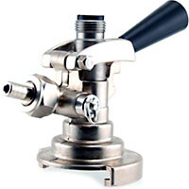 |  | A
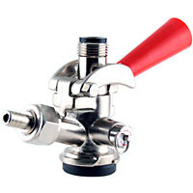 |  | D
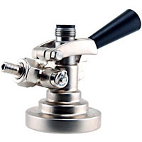 |  | G
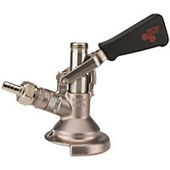 |  | M
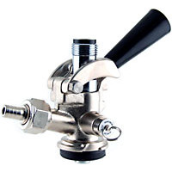 |  | S
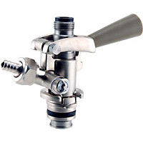 |  | U
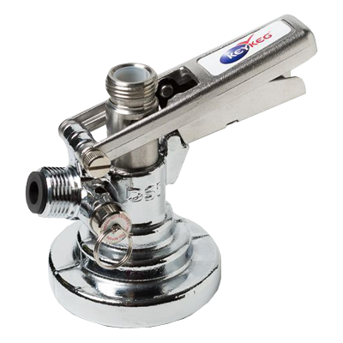 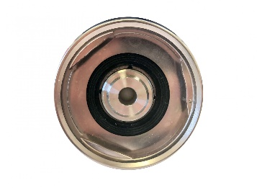 | KeyKeg Coupler | KeyKeg

